
 |  |  |  | CODE: |  |  | pl1266 ab SN from 99B1493
DESCRIPTION: |  | HEAD :FLAP |  | KOPF :FLAP | TETE :FLAP | CABEZA :FLAP | TESTATA :FLAP
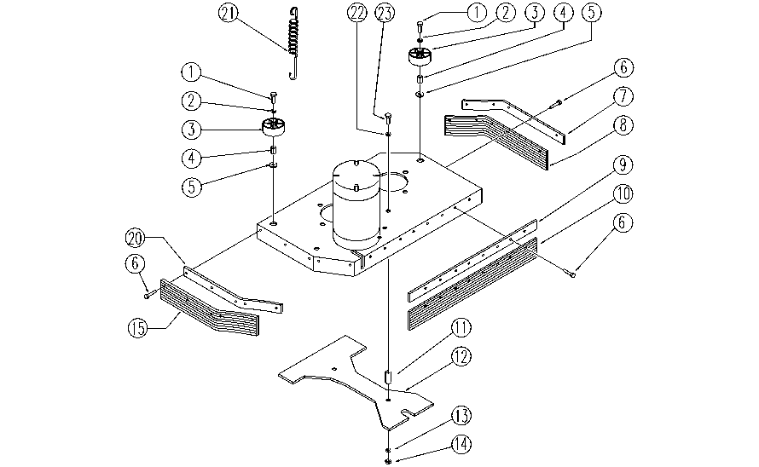

REF. | CODE | DESCRIPTION | QT
1 | SL04067 | SCREW | 2
2 | E86726 | Washer | 9
3 | E86406 | Wheel D 60 | 2
4 | E86683 | AS24 Wheel Bushing | 2
5 | E86704 | Washer D 6-18 | 2
6 | E89469 | M4 - 15 Pan Head Screw | 15
7 | SL03271 | FLAP PRESS | 1
8 | E86619 | Right Flap AS24 | 1
9 | SL03273 | FLAP PRESS | 1
10 | E86621 | Rear Flap AS24 | 1
11 | E89485 | Spacer | 2
12 | SL09621 | GUARD | 1
13 | E88229 | Washer | 2
14 | SL05043 | NUT | 2
15 | E86620 | Left Flap AS24 | 1
20 | SL03272 | FLAP PRESS | 1
21 | SL13123 | SPRING | 1
22 | SL06016 | WASHER | 2
23 | SL04071 | SCREW | 2

